Confusion Matrix
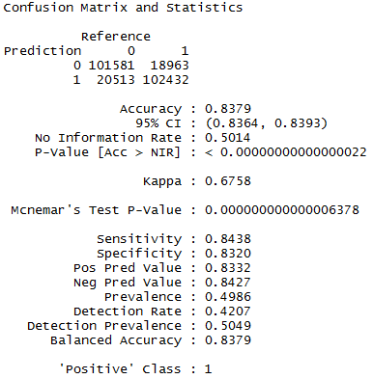
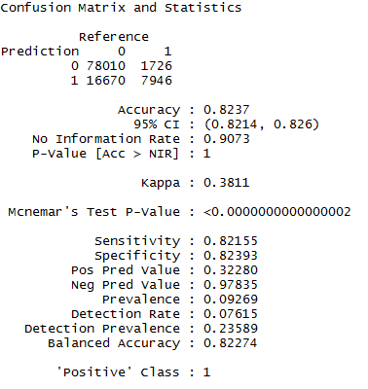
For Training Dataset | For Test Dataset

ROC Curve and Value
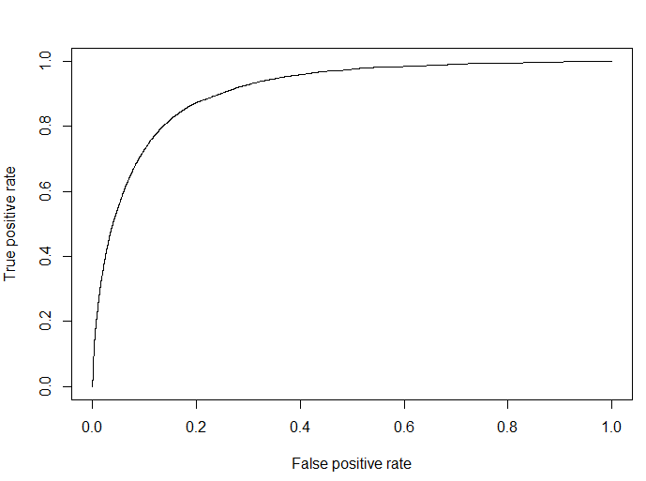
ROC Curve
 | AUROC Value for Training Dataset

 | AUROC Value for Test Dataset

